eda1
1. What are the key factors influencing customer retention or loyalty based on the dataset?

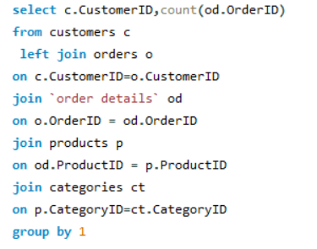
CustomerID | Count of Orders
LAZYK | 2
CENTC | 2
GROSR | 4
NORTS | 6
BOLID | 6
SPECD | 6
FRANR | 6
CONSH | 7
THEBI | 7
THECR | 8
GALED | 8
LAUGB | 8
DUMON | 9
HUNGC | 9
TRAIH | 9
PRINI | 10
COMMI | 10
VINET | 10
DRACD | 10
ANATR | 10
LETSS | 10
FRANS | 10
OCEAN | 11
LACOR | 11
MORGK | 11
CACTU | 11
ALFKI | 12
RANCH | 12
TRADH | 13
LONEP | 14
PERIC | 14
BLAUS | 14
TOMSP | 14
ROMEY | 14
SIMOB | 15
WOLZA | 16
FOLIG | 16
SANTG | 16
WILMK | 17
ANTON | 17
MAISD | 17
WELLI | 19
GOURL | 19
FAMIA | 19
FURIB | 20
SPLIR | 20
EASTC | 21
MAGAA | 21
CHOPS | 22
GREAL | 22
BSBEV | 22
REGGC | 22
ISLAT | 23
PICCO | 23
QUEDE | 24
OLDWO | 24
VICTE | 25
WANDK | 26
BLONP | 26
SEVES | 26
GODOS | 26
RICAR | 27
TORTU | 29
OTTIK | 29
RICSU | 30
AROUT | 30
LAMAI | 31
VAFFE | 31
MEREP | 32
HANAR | 32
LILAS | 34
LINOD | 35
BOTTM | 35
WARTH | 37
LEHMS | 39
SUPRD | 39
KOENE | 39
QUEEN | 40
WHITC | 40
BONAP | 44
HILAA | 45
FOLKO | 45
FRANK | 48
BERGS | 52
HUNGO | 55
RATTC | 71
QUICK | 86
ERNSH | 102
SAVEA | 116

eda2
 | 2.How do customer preferences vary based on their location or demographics? Can we explore this through interactive visualizations?

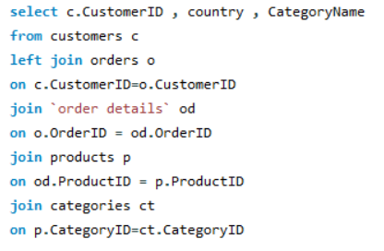
CustomerID | Country | Category Name
QUICK | Germany | Beverages
RATTC | USA | Beverages
LONEP | USA | Beverages
WANDK | Germany | Beverages
PERIC | Mexico | Beverages
CHOPS | Switzerland | Beverages
QUEEN | Brazil | Beverages
LAMAI | France | Beverages
PRINI | Portugal | Beverages
LEHMS | Germany | Beverages
WARTH | Finland | Beverages
TORTU | Mexico | Beverages
MEREP | Canada | Beverages
DUMON | France | Beverages
WOLZA | Poland | Beverages
BLONP | France | Beverages
HUNGO | Ireland | Beverages
BERGS | Sweden | Beverages
QUICK | Germany | Beverages
SAVEA | USA | Beverages
LINOD | Venezuela | Beverages
NORTS | UK | Beverages
LINOD | Venezuela | Beverages
SAVEA | USA | Beverages
HILAA | Venezuela | Beverages
SEVES | UK | Beverages
WELLI | Brazil | Beverages
GODOS | Spain | Beverages
BOTTM | Canada | Beverages
WELLI | Brazil | Beverages
THECR | USA | Beverages
WILMK | Finland | Beverages
GREAL | USA | Beverages
WARTH | Finland | Beverages
SAVEA | USA | Beverages
SUPRD | Belgium | Beverages
EASTC | UK | Beverages
LEHMS | Germany | Beverages
RICSU | Switzerland | Beverages
ERNSH | Austria | Beverages
FOLKO | Sweden | Beverages
HUNGO | Ireland | Beverages
FOLKO | Sweden | Beverages
HUNGO | Ireland | Beverages
FRANK | Germany | Beverages
SAVEA | USA | Beverages
QUICK | Germany | Beverages
CONSH | UK | Beverages
SAVEA | USA | Beverages
WHITC | USA | Beverages
LINOD | Venezuela | Beverages
WHITC | USA | Beverages
WOLZA | Poland | Beverages
RICAR | Brazil | Beverages
WANDK | Germany | Beverages
HILAA | Venezuela | Beverages
FOLKO | Sweden | Beverages
SAVEA | USA | Beverages
SAVEA | USA | Beverages
AROUT | UK | Beverages
OTTIK | Germany | Beverages
LAMAI | France | Beverages
WOLZA | Poland | Beverages
VICTE | France | Beverages
RICAR | Brazil | Beverages
ISLAT | UK | Beverages
RICAR | Brazil | Beverages
RATTC | USA | Beverages
ANTON | Mexico | Beverages
BERGS | Sweden | Beverages
SUPRD | Belgium | Beverages
GODOS | Spain | Beverages
MAGAA | Italy | Beverages
QUICK | Germany | Beverages
QUICK | Germany | Beverages
SAVEA | USA | Beverages
CHOPS | Switzerland | Beverages
GOURL | Brazil | Beverages
LEHMS | Germany | Beverages
ERNSH | Austria | Beverages
RICSU | Switzerland | Beverages
RATTC | USA | Beverages
BSBEV | UK | Condiments
LINOD | Venezuela | Condiments
LINOD | Venezuela | Condiments
QUICK | Germany | Condiments
VAFFE | Denmark | Condiments
ALFKI | Germany | Condiments
BOTTM | Canada | Condiments
ERNSH | Austria | Condiments
KOENE | Germany | Condiments
BERGS | Sweden | Condiments
ERNSH | Austria | Condiments
RATTC | USA | Condiments
HUNGO | Ireland | Condiments
BOLID | Spain | Condiments
PRINI | Portugal | Condiments
MEREP | Canada | Condiments
WHITC | USA | Condiments
FURIB | Portugal | Condiments
BONAP | France | Condiments
QUICK | Germany | Condiments
FOLKO | Sweden | Condiments
TRADH | Brazil | Condiments
MAGAA | Italy | Condiments
WARTH | Finland | Condiments
BERGS | Sweden | Condiments
QUEEN | Brazil | Condiments
EASTC | UK | Condiments
SUPRD | Belgium | Condiments
QUEEN | Brazil | Condiments
MAGAA | Italy | Condiments
RATTC | USA | Condiments
RATTC | USA | Condiments
ERNSH | Austria | Condiments
RATTC | USA | Condiments
COMMI | Brazil | Condiments
ERNSH | Austria | Condiments
MAGAA | Italy | Condiments
THEBI | USA | Condiments
CONSH | UK | Condiments
OCEAN | Argentina | Condiments
SAVEA | USA | Condiments
EASTC | UK | Condiments
HUNGO | Ireland | Condiments
KOENE | Germany | Condiments
MEREP | Canada | Condiments
GOURL | Brazil | Condiments
TRADH | Brazil | Condiments
BONAP | France | Condiments
LEHMS | Germany | Condiments
BOTTM | Canada | Condiments
ALFKI | Germany | Condiments
QUEDE | Brazil | Condiments
BONAP | France | Condiments
RATTC | USA | Condiments
RATTC | USA | Produce
SPLIR | USA | Produce
VICTE | France | Produce
BSBEV | UK | Produce
BONAP | France | Produce
VICTE | France | Produce
VAFFE | Denmark | Produce
SAVEA | USA | Produce
FOLIG | France | Produce
QUICK | Germany | Produce
OTTIK | Germany | Produce
GOURL | Brazil | Produce
OTTIK | Germany | Produce
LACOR | France | Produce
REGGC | Italy | Produce
SANTG | Norway | Produce
BONAP | France | Produce
OCEAN | Argentina | Produce
QUICK | Germany | Produce
ERNSH | Austria | Produce
BOTTM | Canada | Produce
EASTC | UK | Produce
RATTC | USA | Produce
FOLKO | Sweden | Produce
REGGC | Italy | Produce
BSBEV | UK | Produce
EASTC | UK | Produce
LILAS | Venezuela | Produce
RATTC | USA | Produce
WHITC | USA | Condiments
QUICK | Germany | Condiments
BONAP | France | Condiments
LEHMS | Germany | Condiments
WILMK | Finland | Condiments
GOURL | Brazil | Condiments
QUEEN | Brazil | Condiments
ISLAT | UK | Condiments
KOENE | Germany | Condiments
BOTTM | Canada | Condiments
MAISD | Belgium | Condiments
PRINI | Portugal | Condiments
RATTC | USA | Condiments
WELLI | Brazil | Meat/Poultry
QUICK | Germany | Meat/Poultry
HUNGO | Ireland | Meat/Poultry
WHITC | USA | Meat/Poultry
CONSH | UK | Meat/Poultry
QUICK | Germany | Seafood
TORTU | Mexico | Seafood
LILAS | Venezuela | Seafood
BOTTM | Canada | Seafood
BLONP | France | Seafood
VICTE | France | Seafood
VICTE | France | Seafood
CHOPS | Switzerland | Seafood
BERGS | Sweden | Seafood
GALED | Spain | Seafood
DUMON | France | Seafood
SAVEA | USA | Seafood
HUNGO | Ireland | Seafood
FURIB | Portugal | Seafood
TORTU | Mexico | Seafood
GOURL | Brazil | Seafood
VAFFE | Denmark | Seafood
SAVEA | USA | Seafood
BONAP | France | Seafood
MEREP | Canada | Seafood
THECR | USA | Seafood
GROSR | Venezuela | Seafood
SEVES | UK | Seafood
BONAP | France | Seafood
SUPRD | Belgium | Seafood
ERNSH | Austria | Seafood
GODOS | Spain | Seafood
HANAR | Brazil | Seafood
BERGS | Sweden | Seafood
VAFFE | Denmark | Seafood
BOTTM | Canada | Seafood
OTTIK | Germany | Seafood
RATTC | USA | Seafood
VINET | France | Dairy Products
LILAS | Venezuela | Dairy Products
FOLKO | Sweden | Dairy Products
PICCO | Austria | Dairy Products
ANTON | Mexico | Dairy Products
OTTIK | Germany | Dairy Products
FOLKO | Sweden | Dairy Products
ERNSH | Austria | Dairy Products
REGGC | Italy | Dairy Products
COMMI | Brazil | Dairy Products
HILAA | Venezuela | Dairy Products
PICCO | Austria | Dairy Products
GREAL | USA | Dairy Products
ANTON | Mexico | Dairy Products
KOENE | Germany | Dairy Products
LAZYK | USA | Dairy Products
WARTH | Finland | Dairy Products
BLONP | France | Dairy Products
MEREP | Canada | Dairy Products
BLAUS | Germany | Dairy Products
QUEEN | Brazil | Dairy Products
ERNSH | Austria | Dairy Products
EASTC | UK | Dairy Products
HANAR | Brazil | Dairy Products
DRACD | Germany | Dairy Products
SEVES | UK | Dairy Products
LILAS | Venezuela | Dairy Products
TORTU | Mexico | Dairy Products
LEHMS | Germany | Dairy Products
SEVES | UK | Dairy Products
RATTC | USA | Dairy Products
HUNGO | Ireland | Dairy Products
ANATR | Mexico | Dairy Products
BOTTM | Canada | Dairy Products
OCEAN | Argentina | Dairy Products
QUEDE | Brazil | Dairy Products
SPECD | France | Dairy Products
PERIC | Mexico | Dairy Products
WARTH | Finland | Dairy Products
MEREP | Canada | Dairy Products
LEHMS | Germany | Dairy Products
LILAS | Venezuela | Dairy Products
ERNSH | Austria | Dairy Products
SAVEA | USA | Dairy Products
WILMK | Finland | Dairy Products
KOENE | Germany | Dairy Products
ERNSH | Austria | Dairy Products
ERNSH | Austria | Dairy Products
LONEP | USA | Dairy Products
WANDK | Germany | Dairy Products
GOURL | Brazil | Dairy Products
RATTC | USA | Dairy Products
TORTU | Mexico | Seafood
QUEDE | Brazil | Seafood
KOENE | Germany | Seafood
AROUT | UK | Seafood
DRACD | Germany | Seafood
HUNGC | USA | Seafood
WELLI | Brazil | Seafood
CONSH | UK | Seafood
OTTIK | Germany | Seafood
WARTH | Finland | Seafood
BSBEV | UK | Seafood
HILAA | Venezuela | Seafood
HILAA | Venezuela | Seafood
ERNSH | Austria | Seafood
VINET | France | Seafood
CHOPS | Switzerland | Seafood
KOENE | Germany | Seafood
LAUGB | Canada | Seafood
ISLAT | UK | Seafood
LAMAI | France | Seafood
BERGS | Sweden | Seafood
ERNSH | Austria | Seafood
SAVEA | USA | Seafood
OCEAN | Argentina | Seafood
HANAR | Brazil | Seafood
ANATR | Mexico | Seafood
RICSU | Switzerland | Seafood
QUICK | Germany | Seafood
BONAP | France | Seafood
BSBEV | UK | Seafood
MORGK | Germany | Seafood
QUICK | Germany | Seafood
SAVEA | USA | Seafood
SAVEA | USA | Seafood
WARTH | Finland | Seafood
SAVEA | USA | Seafood
DRACD | Germany | Seafood
RICAR | Brazil | Seafood
LILAS | Venezuela | Seafood
RATTC | USA | Seafood
TOMSP | Germany | Produce
KOENE | Germany | Produce
WARTH | Finland | Produce
HUNGC | USA | Produce
SAVEA | USA | Produce
OCEAN | Argentina | Produce
WARTH | Finland | Produce
PICCO | Austria | Produce
PERIC | Mexico | Produce
HUNGO | Ireland | Produce
SAVEA | USA | Produce
ERNSH | Austria | Produce
OTTIK | Germany | Produce
FRANK | Germany | Produce
ANATR | Mexico | Produce
GREAL | USA | Produce
FRANK | Germany | Produce
BERGS | Sweden | Produce
WARTH | Finland | Produce
QUEDE | Brazil | Produce
BONAP | France | Produce
RATTC | USA | Produce
LILAS | Venezuela | Condiments
KOENE | Germany | Condiments
LAMAI | France | Condiments
LETSS | USA | Condiments
LEHMS | Germany | Condiments
SAVEA | USA | Condiments
RICSU | Switzerland | Confections
ERNSH | Austria | Confections
RICAR | Brazil | Confections
LILAS | Venezuela | Confections
THEBI | USA | Confections
SAVEA | USA | Confections
SEVES | UK | Confections
ERNSH | Austria | Confections
MEREP | Canada | Confections
SAVEA | USA | Confections
LAMAI | France | Confections
WHITC | USA | Confections
PICCO | Austria | Confections
QUICK | Germany | Confections
FURIB | Portugal | Confections
WARTH | Finland | Confections
OTTIK | Germany | Confections
BERGS | Sweden | Confections
MEREP | Canada | Confections
FRANK | Germany | Confections
FRANR | France | Confections
WILMK | Finland | Confections
OLDWO | USA | Confections
OLDWO | USA | Confections
KOENE | Germany | Confections
BONAP | France | Confections
SPECD | France | Confections
MORGK | Germany | Confections
ERNSH | Austria | Confections
OLDWO | USA | Confections
BONAP | France | Confections
RICAR | Brazil | Confections
SANTG | Norway | Confections
RANCH | Argentina | Confections
LINOD | Venezuela | Confections
BONAP | France | Confections
LINOD | Venezuela | Confections
SAVEA | USA | Confections
HUNGO | Ireland | Confections
WHITC | USA | Confections
LEHMS | Germany | Confections
SIMOB | Denmark | Confections
RATTC | USA | Confections
BLONP | France | Meat/Poultry
LEHMS | Germany | Meat/Poultry
RATTC | USA | Meat/Poultry
SUPRD | Belgium | Meat/Poultry
TORTU | Mexico | Meat/Poultry
OLDWO | USA | Meat/Poultry
MEREP | Canada | Meat/Poultry
RATTC | USA | Meat/Poultry
HUNGC | USA | Meat/Poultry
ERNSH | Austria | Meat/Poultry
BOTTM | Canada | Meat/Poultry
BERGS | Sweden | Meat/Poultry
SEVES | UK | Meat/Poultry
PICCO | Austria | Meat/Poultry
GODOS | Spain | Meat/Poultry
RATTC | USA | Meat/Poultry
ANTON | Mexico | Meat/Poultry
SAVEA | USA | Meat/Poultry
PICCO | Austria | Meat/Poultry
WHITC | USA | Meat/Poultry
ERNSH | Austria | Meat/Poultry
SAVEA | USA | Meat/Poultry
REGGC | Italy | Meat/Poultry
ERNSH | Austria | Meat/Poultry
ERNSH | Austria | Meat/Poultry
BOLID | Spain | Meat/Poultry
RATTC | USA | Meat/Poultry
WHITC | USA | Meat/Poultry
BONAP | France | Meat/Poultry
DUMON | France | Meat/Poultry
GODOS | Spain | Meat/Poultry
TORTU | Mexico | Meat/Poultry
HANAR | Brazil | Meat/Poultry
BOTTM | Canada | Meat/Poultry
LACOR | France | Meat/Poultry
RICAR | Brazil | Meat/Poultry
SAVEA | USA | Meat/Poultry
TORTU | Mexico | Seafood
OLDWO | USA | Seafood
MEREP | Canada | Seafood
BONAP | France | Seafood
ERNSH | Austria | Seafood
BONAP | France | Seafood
HUNGO | Ireland | Seafood
BLONP | France | Seafood
QUICK | Germany | Seafood
FOLIG | France | Seafood
SANTG | Norway | Seafood
WELLI | Brazil | Seafood
HANAR | Brazil | Seafood
LETSS | USA | Seafood
QUICK | Germany | Seafood
SPLIR | USA | Seafood
FOLIG | France | Seafood
LINOD | Venezuela | Seafood
BLAUS | Germany | Seafood
WHITC | USA | Seafood
RICAR | Brazil | Seafood
WELLI | Brazil | Seafood
SPECD | France | Seafood
HUNGO | Ireland | Seafood
LONEP | USA | Seafood
FRANS | Italy | Seafood
PICCO | Austria | Seafood
ROMEY | Spain | Confections
LILAS | Venezuela | Confections
RICAR | Brazil | Confections
SPLIR | USA | Confections
QUICK | Germany | Confections
FAMIA | Brazil | Confections
WARTH | Finland | Confections
QUEDE | Brazil | Confections
TOMSP | Germany | Confections
TOMSP | Germany | Confections
RICAR | Brazil | Confections
SUPRD | Belgium | Confections
QUEEN | Brazil | Confections
GODOS | Spain | Confections
SAVEA | USA | Confections
ISLAT | UK | Confections
FRANK | Germany | Confections
QUEDE | Brazil | Confections
WANDK | Germany | Confections
TORTU | Mexico | Confections
GREAL | USA | Confections
LINOD | Venezuela | Confections
FRANS | Italy | Confections
SAVEA | USA | Confections
QUICK | Germany | Confections
WELLI | Brazil | Confections
LINOD | Venezuela | Confections
SANTG | Norway | Confections
SAVEA | USA | Confections
BERGS | Sweden | Confections
WILMK | Finland | Confections
ANATR | Mexico | Confections
TOMSP | Germany | Confections
FRANK | Germany | Confections
HANAR | Brazil | Confections
WHITC | USA | Confections
BONAP | France | Confections
SUPRD | Belgium | Confections
RATTC | USA | Confections
TRADH | Brazil | Confections
QUEEN | Brazil | Confections
BERGS | Sweden | Confections
ERNSH | Austria | Confections
SEVES | UK | Confections
LEHMS | Germany | Confections
HUNGC | USA | Confections
RANCH | Argentina | Confections
QUICK | Germany | Confections
LACOR | France | Confections
AROUT | UK | Confections
OCEAN | Argentina | Confections
QUICK | Germany | Confections
RATTC | USA | Confections
CENTC | Mexico | Confections
QUEDE | Brazil | Confections
WARTH | Finland | Confections
ERNSH | Austria | Confections
PRINI | Portugal | Confections
QUEEN | Brazil | Confections
OCEAN | Argentina | Confections
ERNSH | Austria | Confections
KOENE | Germany | Confections
LILAS | Venezuela | Confections
PRINI | Portugal | Confections
BSBEV | UK | Confections
WHITC | USA | Confections
WANDK | Germany | Confections
BSBEV | UK | Confections
GODOS | Spain | Confections
DUMON | France | Confections
BLAUS | Germany | Confections
MEREP | Canada | Confections
FRANK | Germany | Confections
SIMOB | Denmark | Confections
QUICK | Germany | Confections
GREAL | USA | Confections
RANCH | Argentina | Confections
FRANK | Germany | Confections
LINOD | Venezuela | Confections
CHOPS | Switzerland | Confections
FOLIG | France | Confections
WHITC | USA | Confections
WILMK | Finland | Confections
LETSS | USA | Confections
FRANK | Germany | Confections
SUPRD | Belgium | Confections
BLAUS | Germany | Confections
MAISD | Belgium | Confections
ERNSH | Austria | Confections
OLDWO | USA | Confections
GREAL | USA | Confections
BLAUS | Germany | Confections
VICTE | France | Grains/Cereals
CONSH | UK | Grains/Cereals
WARTH | Finland | Grains/Cereals
SAVEA | USA | Grains/Cereals
MEREP | Canada | Grains/Cereals
MAGAA | Italy | Grains/Cereals
RICAR | Brazil | Grains/Cereals
WANDK | Germany | Grains/Cereals
FOLIG | France | Grains/Cereals
AROUT | UK | Grains/Cereals
ERNSH | Austria | Grains/Cereals
PICCO | Austria | Grains/Cereals
BSBEV | UK | Grains/Cereals
FOLKO | Sweden | Grains/Cereals
FRANK | Germany | Grains/Cereals
WANDK | Germany | Grains/Cereals
FRANK | Germany | Grains/Cereals
ERNSH | Austria | Grains/Cereals
CONSH | UK | Grains/Cereals
BONAP | France | Grains/Cereals
LAUGB | Canada | Grains/Cereals
LILAS | Venezuela | Grains/Cereals
OTTIK | Germany | Grains/Cereals
ISLAT | UK | Grains/Cereals
FRANK | Germany | Grains/Cereals
ISLAT | UK | Grains/Cereals
SAVEA | USA | Grains/Cereals
LINOD | Venezuela | Grains/Cereals
QUICK | Germany | Grains/Cereals
SEVES | UK | Grains/Cereals
FOLKO | Sweden | Grains/Cereals
WELLI | Brazil | Grains/Cereals
ROMEY | Spain | Grains/Cereals
RATTC | USA | Grains/Cereals
CHOPS | Switzerland | Beverages
ERNSH | Austria | Beverages
MAGAA | Italy | Beverages
BERGS | Sweden | Beverages
ROMEY | Spain | Beverages
TORTU | Mexico | Beverages
FURIB | Portugal | Beverages
AROUT | UK | Beverages
LAMAI | France | Beverages
FAMIA | Brazil | Beverages
SANTG | Norway | Beverages
TOMSP | Germany | Beverages
VAFFE | Denmark | Beverages
MAGAA | Italy | Beverages
SEVES | UK | Beverages
HILAA | Venezuela | Beverages
FAMIA | Brazil | Beverages
TORTU | Mexico | Beverages
SANTG | Norway | Beverages
HANAR | Brazil | Beverages
SAVEA | USA | Beverages
MEREP | Canada | Beverages
PICCO | Austria | Beverages
LAUGB | Canada | Beverages
FRANK | Germany | Beverages
RICAR | Brazil | Beverages
WILMK | Finland | Beverages
QUEEN | Brazil | Beverages
FOLIG | France | Beverages
KOENE | Germany | Beverages
FRANK | Germany | Beverages
BERGS | Sweden | Beverages
LONEP | USA | Beverages
SUPRD | Belgium | Beverages
KOENE | Germany | Beverages
ERNSH | Austria | Beverages
HANAR | Brazil | Beverages
VAFFE | Denmark | Beverages
HILAA | Venezuela | Beverages
ERNSH | Austria | Beverages
ERNSH | Austria | Beverages
SAVEA | USA | Beverages
WOLZA | Poland | Beverages
RATTC | USA | Beverages
GODOS | Spain | Beverages
REGGC | Italy | Beverages
BOTTM | Canada | Beverages
SAVEA | USA | Beverages
LAMAI | France | Beverages
HILAA | Venezuela | Beverages
PERIC | Mexico | Beverages
KOENE | Germany | Confections
FAMIA | Brazil | Confections
BONAP | France | Confections
SAVEA | USA | Confections
MAGAA | Italy | Confections
BOTTM | Canada | Confections
KOENE | Germany | Confections
MAISD | Belgium | Confections
RATTC | USA | Confections
WELLI | Brazil | Confections
LAUGB | Canada | Confections
LAMAI | France | Confections
LINOD | Venezuela | Confections
VICTE | France | Confections
RICAR | Brazil | Confections
GALED | Spain | Confections
LINOD | Venezuela | Confections
HILAA | Venezuela | Confections
LILAS | Venezuela | Confections
FRANK | Germany | Confections
LILAS | Venezuela | Confections
SAVEA | USA | Confections
MAGAA | Italy | Confections
QUEDE | Brazil | Confections
FRANS | Italy | Confections
SPLIR | USA | Confections
BERGS | Sweden | Confections
RANCH | Argentina | Confections
SUPRD | Belgium | Confections
QUEEN | Brazil | Confections
QUICK | Germany | Confections
QUEDE | Brazil | Confections
LEHMS | Germany | Confections
ERNSH | Austria | Confections
ANTON | Mexico | Confections
PICCO | Austria | Confections
SAVEA | USA | Confections
WHITC | USA | Confections
RICSU | Switzerland | Confections
RICSU | Switzerland | Confections
HILAA | Venezuela | Confections
KOENE | Germany | Confections
DRACD | Germany | Confections
KOENE | Germany | Confections
BERGS | Sweden | Confections
QUEEN | Brazil | Confections
LACOR | France | Confections
MAISD | Belgium | Confections
QUICK | Germany | Confections
EASTC | UK | Confections
HILAA | Venezuela | Confections
LEHMS | Germany | Confections
OLDWO | USA | Confections
QUICK | Germany | Confections
RATTC | USA | Confections
MAISD | Belgium | Confections
LACOR | France | Confections
SUPRD | Belgium | Confections
ERNSH | Austria | Confections
MORGK | Germany | Produce
SUPRD | Belgium | Produce
WANDK | Germany | Produce
TORTU | Mexico | Produce
BLONP | France | Produce
ERNSH | Austria | Produce
SEVES | UK | Produce
SANTG | Norway | Produce
QUEEN | Brazil | Produce
REGGC | Italy | Produce
SAVEA | USA | Produce
SUPRD | Belgium | Produce
PERIC | Mexico | Produce
LILAS | Venezuela | Produce
LAMAI | France | Produce
BLAUS | Germany | Produce
ERNSH | Austria | Produce
LONEP | USA | Produce
THECR | USA | Produce
ALFKI | Germany | Produce
MAISD | Belgium | Produce
VAFFE | Denmark | Produce
BERGS | Sweden | Produce
WHITC | USA | Produce
SEVES | UK | Produce
WILMK | Finland | Produce
BERGS | Sweden | Produce
CACTU | Argentina | Produce
ALFKI | Germany | Produce
HILAA | Venezuela | Produce
ERNSH | Austria | Produce
LINOD | Venezuela | Produce
QUEEN | Brazil | Produce
GROSR | Venezuela | Meat/Poultry
COMMI | Brazil | Meat/Poultry
OLDWO | USA | Meat/Poultry
PERIC | Mexico | Meat/Poultry
BLONP | France | Meat/Poultry
SPLIR | USA | Meat/Poultry
ERNSH | Austria | Meat/Poultry
EASTC | UK | Meat/Poultry
SAVEA | USA | Meat/Poultry
VAFFE | Denmark | Meat/Poultry
SAVEA | USA | Meat/Poultry
WARTH | Finland | Meat/Poultry
THECR | USA | Meat/Poultry
GODOS | Spain | Meat/Poultry
RICSU | Switzerland | Meat/Poultry
HUNGO | Ireland | Meat/Poultry
QUICK | Germany | Meat/Poultry
ERNSH | Austria | Meat/Poultry
LEHMS | Germany | Meat/Poultry
LAMAI | France | Meat/Poultry
FRANK | Germany | Meat/Poultry
BOLID | Spain | Meat/Poultry
TRADH | Brazil | Meat/Poultry
BERGS | Sweden | Meat/Poultry
KOENE | Germany | Meat/Poultry
HUNGO | Ireland | Meat/Poultry
HUNGO | Ireland | Meat/Poultry
FRANR | France | Meat/Poultry
FOLKO | Sweden | Meat/Poultry
GREAL | USA | Meat/Poultry
PRINI | Portugal | Meat/Poultry
SAVEA | USA | Meat/Poultry
ERNSH | Austria | Seafood
ROMEY | Spain | Seafood
ROMEY | Spain | Seafood
FOLKO | Sweden | Seafood
SPLIR | USA | Seafood
OLDWO | USA | Seafood
HUNGO | Ireland | Seafood
RATTC | USA | Seafood
LILAS | Venezuela | Seafood
KOENE | Germany | Seafood
LEHMS | Germany | Seafood
BERGS | Sweden | Seafood
EASTC | UK | Seafood
LEHMS | Germany | Seafood
FRANK | Germany | Seafood
FAMIA | Brazil | Seafood
GOURL | Brazil | Seafood
LETSS | USA | Seafood
QUEEN | Brazil | Seafood
GOURL | Brazil | Seafood
RICSU | Switzerland | Seafood
QUEEN | Brazil | Seafood
SIMOB | Denmark | Seafood
TRADH | Brazil | Seafood
BERGS | Sweden | Seafood
LEHMS | Germany | Seafood
KOENE | Germany | Seafood
HUNGO | Ireland | Seafood
ROMEY | Spain | Seafood
HILAA | Venezuela | Seafood
SANTG | Norway | Seafood
LILAS | Venezuela | Seafood
HANAR | Brazil | Dairy Products
RATTC | USA | Dairy Products
QUICK | Germany | Dairy Products
KOENE | Germany | Dairy Products
HUNGO | Ireland | Dairy Products
FRANK | Germany | Dairy Products
WANDK | Germany | Dairy Products
SEVES | UK | Dairy Products
DRACD | Germany | Dairy Products
WOLZA | Poland | Dairy Products
MEREP | Canada | Dairy Products
ERNSH | Austria | Dairy Products
SAVEA | USA | Dairy Products
GOURL | Brazil | Dairy Products
TOMSP | Germany | Dairy Products
SUPRD | Belgium | Dairy Products
TRADH | Brazil | Dairy Products
LEHMS | Germany | Dairy Products
RICSU | Switzerland | Dairy Products
QUICK | Germany | Dairy Products
WARTH | Finland | Dairy Products
RATTC | USA | Dairy Products
HUNGO | Ireland | Dairy Products
RATTC | USA | Dairy Products
TORTU | Mexico | Dairy Products
BLONP | France | Dairy Products
QUEEN | Brazil | Dairy Products
WANDK | Germany | Dairy Products
OLDWO | USA | Dairy Products
HILAA | Venezuela | Dairy Products
SAVEA | USA | Dairy Products
BONAP | France | Dairy Products
PICCO | Austria | Dairy Products
AROUT | UK | Dairy Products
ERNSH | Austria | Dairy Products
FOLKO | Sweden | Dairy Products
ERNSH | Austria | Dairy Products
CACTU | Argentina | Dairy Products
HANAR | Brazil | Dairy Products
REGGC | Italy | Dairy Products
BLONP | France | Dairy Products
OTTIK | Germany | Dairy Products
OLDWO | USA | Dairy Products
HANAR | Brazil | Dairy Products
SAVEA | USA | Dairy Products
MORGK | Germany | Dairy Products
AROUT | UK | Dairy Products
LINOD | Venezuela | Dairy Products
ERNSH | Austria | Dairy Products
AROUT | UK | Dairy Products
LEHMS | Germany | Dairy Products
ERNSH | Austria | Dairy Products
RATTC | USA | Dairy Products
HUNGO | Ireland | Dairy Products
WANDK | Germany | Dairy Products
SEVES | UK | Dairy Products
BERGS | Sweden | Dairy Products
HILAA | Venezuela | Dairy Products
ANATR | Mexico | Dairy Products
MAGAA | Italy | Dairy Products
RANCH | Argentina | Dairy Products
HUNGO | Ireland | Dairy Products
LILAS | Venezuela | Dairy Products
WANDK | Germany | Dairy Products
PICCO | Austria | Dairy Products
RATTC | USA | Dairy Products
SUPRD | Belgium | Dairy Products
WHITC | USA | Dairy Products
SPLIR | USA | Dairy Products
QUICK | Germany | Dairy Products
SIMOB | Denmark | Dairy Products
ERNSH | Austria | Dairy Products
BOTTM | Canada | Dairy Products
FAMIA | Brazil | Dairy Products
HUNGC | USA | Dairy Products
LAMAI | France | Dairy Products
ISLAT | UK | Dairy Products
QUICK | Germany | Dairy Products
GREAL | USA | Dairy Products
LEHMS | Germany | Dairy Products
BSBEV | UK | Dairy Products
REGGC | Italy | Dairy Products
TRAIH | USA | Dairy Products
SAVEA | USA | Dairy Products
WANDK | Germany | Dairy Products
ANTON | Mexico | Dairy Products
SAVEA | USA | Dairy Products
ANTON | Mexico | Dairy Products
SAVEA | USA | Dairy Products
VICTE | France | Dairy Products
WHITC | USA | Dairy Products
QUEEN | Brazil | Dairy Products
TORTU | Mexico | Dairy Products
RICSU | Switzerland | Dairy Products
LACOR | France | Dairy Products
EASTC | UK | Dairy Products
BOTTM | Canada | Dairy Products
CACTU | Argentina | Dairy Products
RICAR | Brazil | Beverages
ISLAT | UK | Beverages
LAMAI | France | Beverages
VAFFE | Denmark | Beverages
FAMIA | Brazil | Beverages
TOMSP | Germany | Beverages
WHITC | USA | Beverages
TOMSP | Germany | Beverages
ANTON | Mexico | Beverages
VAFFE | Denmark | Beverages
SAVEA | USA | Beverages
SAVEA | USA | Beverages
THEBI | USA | Beverages
DUMON | France | Beverages
CACTU | Argentina | Beverages
ERNSH | Austria | Beverages
ERNSH | Austria | Beverages
HUNGO | Ireland | Beverages
WHITC | USA | Beverages
QUEDE | Brazil | Beverages
ROMEY | Spain | Beverages
QUICK | Germany | Beverages
ISLAT | UK | Beverages
SAVEA | USA | Beverages
ERNSH | Austria | Beverages
SAVEA | USA | Beverages
EASTC | UK | Beverages
MEREP | Canada | Beverages
BERGS | Sweden | Beverages
CACTU | Argentina | Beverages
VICTE | France | Beverages
FURIB | Portugal | Beverages
WARTH | Finland | Beverages
BSBEV | UK | Beverages
QUEDE | Brazil | Beverages
GREAL | USA | Beverages
ERNSH | Austria | Beverages
FRANK | Germany | Beverages
LINOD | Venezuela | Beverages
QUEDE | Brazil | Beverages
WHITC | USA | Beverages
FOLIG | France | Beverages
SPLIR | USA | Beverages
SANTG | Norway | Beverages
ERNSH | Austria | Beverages
QUICK | Germany | Beverages
AROUT | UK | Beverages
QUEEN | Brazil | Beverages
WOLZA | Poland | Beverages
VAFFE | Denmark | Beverages
HILAA | Venezuela | Beverages
SAVEA | USA | Beverages
SUPRD | Belgium | Beverages
LINOD | Venezuela | Beverages
WANDK | Germany | Beverages
RICSU | Switzerland | Seafood
WARTH | Finland | Seafood
HUNGO | Ireland | Seafood
QUICK | Germany | Seafood
FRANK | Germany | Seafood
FRANK | Germany | Seafood
LAMAI | France | Seafood
LAMAI | France | Seafood
QUEEN | Brazil | Seafood
BONAP | France | Seafood
QUICK | Germany | Seafood
SEVES | UK | Seafood
RICAR | Brazil | Seafood
LAMAI | France | Seafood
SAVEA | USA | Seafood
HANAR | Brazil | Seafood
SIMOB | Denmark | Seafood
HUNGO | Ireland | Seafood
THEBI | USA | Seafood
KOENE | Germany | Seafood
VINET | France | Seafood
SPLIR | USA | Seafood
MAGAA | Italy | Seafood
LINOD | Venezuela | Seafood
KOENE | Germany | Seafood
HANAR | Brazil | Seafood
GREAL | USA | Seafood
SAVEA | USA | Seafood
GODOS | Spain | Seafood
AROUT | UK | Seafood
WHITC | USA | Seafood
CENTC | Mexico | Seafood
FRANK | Germany | Seafood
FOLIG | France | Seafood
SEVES | UK | Seafood
SAVEA | USA | Seafood
CHOPS | Switzerland | Seafood
SPLIR | USA | Beverages
ERNSH | Austria | Beverages
PICCO | Austria | Beverages
BLONP | France | Beverages
QUEEN | Brazil | Beverages
SIMOB | Denmark | Beverages
MEREP | Canada | Beverages
RATTC | USA | Beverages
TORTU | Mexico | Beverages
QUICK | Germany | Beverages
HANAR | Brazil | Beverages
GREAL | USA | Beverages
BERGS | Sweden | Beverages
HANAR | Brazil | Beverages
THEBI | USA | Beverages
GREAL | USA | Beverages
KOENE | Germany | Beverages
RANCH | Argentina | Beverages
SANTG | Norway | Beverages
QUICK | Germany | Beverages
RATTC | USA | Beverages
SPECD | France | Beverages
HANAR | Brazil | Beverages
WHITC | USA | Beverages
HANAR | Brazil | Beverages
HILAA | Venezuela | Beverages
BLONP | France | Beverages
OLDWO | USA | Beverages
KOENE | Germany | Beverages
FAMIA | Brazil | Beverages
QUICK | Germany | Beverages
SEVES | UK | Beverages
BERGS | Sweden | Beverages
WARTH | Finland | Beverages

eda2 graph
 | Here we have graph for customers from different countries and we have made slicer on category name so that we can acess the data for different product category.

Countries vs Count of Customers
Row Labels | Count of CustomerID
USA | 12
Germany | 12
Brazil | 9
Canada | 5
UK | 5
France | 5
Austria | 4
Portugal | 3
Sweden | 3
Venezuela | 3
Italy | 3
Finland | 2
Belgium | 2
Ireland | 2
Denmark | 1
Argentina | 1
Spain | 1
Grand Total | 73

eda3
3. Are there any interesting patterns or clusters in customer behavior that can be visualized to identify potential market segments?

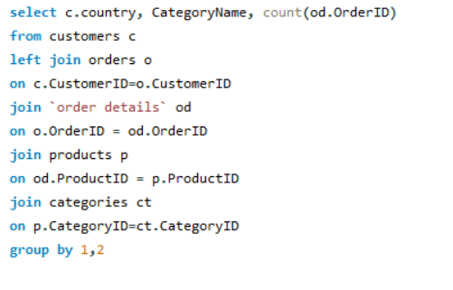
 | Country | CategoryName | Count of Orders
 | Germany | Beverages | 60
 | USA | Beverages | 61
 | Mexico | Beverages | 18
 | Switzerland | Beverages | 8
 | Brazil | Beverages | 40
 | France | Beverages | 35
 | Portugal | Beverages | 6
 | Finland | Beverages | 9
 | Canada | Beverages | 11
 | Poland | Beverages | 6
 | Ireland | Beverages | 9
 | Sweden | Beverages | 25
 | Venezuela | Beverages | 22
 | UK | Beverages | 26
 | Spain | Beverages | 9
 | Belgium | Beverages | 11
 | Austria | Beverages | 22
 | Italy | Beverages | 7
 | UK | Condiments | 8
 | Venezuela | Condiments | 8
 | Germany | Condiments | 31
 | Denmark | Condiments | 10
 | Canada | Condiments | 10
 | Austria | Condiments | 16
 | Sweden | Condiments | 9
 | USA | Condiments | 33
 | Ireland | Condiments | 6
 | Spain | Condiments | 6
 | Portugal | Condiments | 8
 | France | Condiments | 14
 | Brazil | Condiments | 26
 | Italy | Condiments | 6
 | Finland | Condiments | 5
 | Belgium | Condiments | 6
 | Argentina | Condiments | 3
 | USA | Produce | 18
 | France | Produce | 15
 | UK | Produce | 10
 | Denmark | Produce | 3
 | Germany | Produce | 20
 | Brazil | Produce | 7
 | Italy | Produce | 5
 | Norway | Produce | 2
 | Argentina | Produce | 4
 | Austria | Produce | 9
 | Canada | Produce | 3
 | Sweden | Produce | 7
 | Venezuela | Produce | 8
 | Brazil | Meat/Poultry | 14
 | Germany | Meat/Poultry | 23
 | Ireland | Meat/Poultry | 6
 | USA | Meat/Poultry | 37
 | UK | Meat/Poultry | 9
 | Germany | Seafood | 49
 | Mexico | Seafood | 9
 | Venezuela | Seafood | 23
 | Canada | Seafood | 8
 | France | Seafood | 33
 | Switzerland | Seafood | 11
 | Sweden | Seafood | 18
 | Spain | Seafood | 8
 | USA | Seafood | 53
 | Ireland | Seafood | 12
 | Portugal | Seafood | 1
 | Brazil | Seafood | 38
 | Denmark | Seafood | 9
 | UK | Seafood | 18
 | Belgium | Seafood | 5
 | Austria | Seafood | 12
 | France | Dairy Products | 23
 | Venezuela | Dairy Products | 23
 | Sweden | Dairy Products | 12
 | Austria | Dairy Products | 27
 | Mexico | Dairy Products | 17
 | Germany | Dairy Products | 65
 | Italy | Dairy Products | 9
 | Brazil | Dairy Products | 30
 | USA | Dairy Products | 55
 | Finland | Dairy Products | 11
 | Canada | Dairy Products | 14
 | UK | Dairy Products | 29
 | Ireland | Dairy Products | 13
 | Argentina | Dairy Products | 6
 | Finland | Seafood | 6
 | Argentina | Seafood | 5
 | Finland | Produce | 5
 | Mexico | Produce | 5
 | Ireland | Produce | 3
 | Switzerland | Confections | 7
 | Austria | Confections | 14
 | Brazil | Confections | 34
 | Venezuela | Confections | 19
 | USA | Confections | 62
 | UK | Confections | 17
 | Canada | Confections | 15
 | France | Confections | 28
 | Germany | Confections | 55
 | Portugal | Confections | 5
 | Finland | Confections | 7
 | Sweden | Confections | 12
 | Norway | Confections | 2
 | Argentina | Confections | 8
 | Ireland | Confections | 3
 | Denmark | Confections | 7
 | France | Meat/Poultry | 14
 | Belgium | Meat/Poultry | 4
 | Mexico | Meat/Poultry | 7
 | Canada | Meat/Poultry | 4
 | Austria | Meat/Poultry | 10
 | Sweden | Meat/Poultry | 10
 | Spain | Meat/Poultry | 9
 | Italy | Meat/Poultry | 3
 | Norway | Seafood | 3
 | Italy | Seafood | 8
 | Spain | Confections | 10
 | Belgium | Confections | 10
 | Mexico | Confections | 7
 | Italy | Confections | 10
 | France | Grains/Cereals | 22
 | UK | Grains/Cereals | 18
 | Finland | Grains/Cereals | 5
 | USA | Grains/Cereals | 33
 | Canada | Grains/Cereals | 10
 | Italy | Grains/Cereals | 5
 | Brazil | Grains/Cereals | 14
 | Germany | Grains/Cereals | 25
 | Austria | Grains/Cereals | 15
 | Sweden | Grains/Cereals | 4
 | Venezuela | Grains/Cereals | 9
 | Spain | Grains/Cereals | 9
 | Norway | Beverages | 5
 | Denmark | Beverages | 7
 | Belgium | Produce | 4
 | Venezuela | Meat/Poultry | 6
 | Denmark | Meat/Poultry | 4
 | Finland | Meat/Poultry | 6
 | Switzerland | Meat/Poultry | 3
 | Portugal | Meat/Poultry | 2
 | Poland | Dairy Products | 2
 | Belgium | Dairy Products | 9
 | Switzerland | Dairy Products | 9
 | Denmark | Dairy Products | 5
 | Argentina | Beverages | 7
 | Ireland | Grains/Cereals | 3
 | Belgium | Grains/Cereals | 7
 | Mexico | Grains/Cereals | 4
 | Switzerland | Grains/Cereals | 7
 | Portugal | Grains/Cereals | 4
 | Mexico | Condiments | 5
 | Portugal | Produce | 1
 | Switzerland | Produce | 4
 | Poland | Produce | 2
 | Spain | Produce | 1
 | Denmark | Grains/Cereals | 1
 | Norway | Meat/Poultry | 1
 | Poland | Meat/Poultry | 1
 | Argentina | Grains/Cereals | 1
 | Poland | Seafood | 1
 | Portugal | Dairy Products | 3
 | Norway | Dairy Products | 2
 | Spain | Dairy Products | 2
 | Poland | Condiments | 2
 | Poland | Confections | 2
 | Switzerland | Condiments | 3
 | Norway | Condiments | 1

eda3 graph
In the dataset, we don't have market segments to carryout analysis.Alternatively we have done analysis on customers countries .Here we have show top 5 Countries with higher numbers of orders and for for detailed analysis we have shown top 5 product categories and thier contribution in orders from that country . So, that we can easily see which product category has potential market in different Country.

Country vs Count of Orders
Row Labels | Sum of Count of Orders
USA | 268
Confections | 62
Beverages | 61
Dairy Products | 55
Seafood | 53
Meat/Poultry | 37
Germany | 260
Dairy Products | 65
Beverages | 60
Confections | 55
Seafood | 49
Condiments | 31
Brazil | 168
Beverages | 40
Seafood | 38
Confections | 34
Dairy Products | 30
Condiments | 26
France | 141
Beverages | 35
Seafood | 33
Confections | 28
Dairy Products | 23
Grains/Cereals | 22
UK | 108
Dairy Products | 29
Beverages | 26
Seafood | 18
Grains/Cereals | 18
Confections | 17
Grand Total | 945

eda5
5. Are there any correlations between order size and customer demographics or product categories? Can we explore this visually using scatter plots or heatmaps?

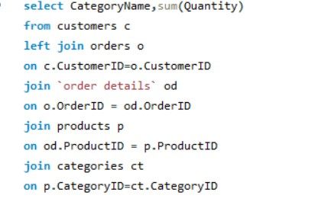
 | Category | Quantiy
 | Beverages | 9532
 | Condiments | 5298
 | Produce | 2990
 | Meat/Poultry | 4199
 | Seafood | 7681
 | Dairy Products | 9149
 | Confections | 7906
 | Grains/Cereals | 4562

eda5 graph
Here we have scatter plot for category vs quantity.

Category vs Quantiy
 | Catergory | Quantiy
 | Produce | 2990
 | Meat/Poultry | 4199
 | Grains/Cereals | 4562
 | Condiments | 5298
 | Seafood | 7681
 | Confections | 7906
 | Dairy Products | 9149
 | Beverages | 9532

eda6
6.How does order frequency vary across different customer segments? Can we visualize this using bar charts or treemaps?

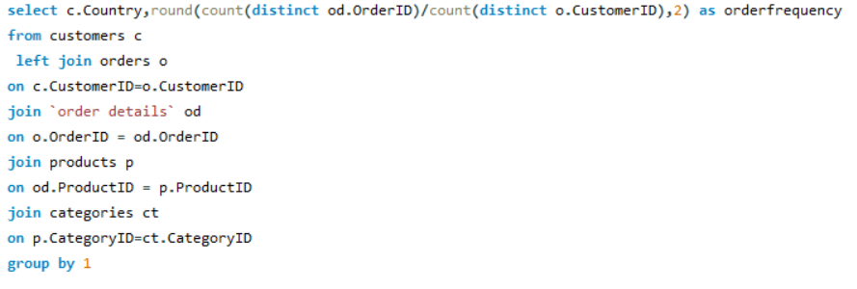
 | Country | Order frequency
 | Argentina | 5.33
 | Austria | 20
 | Belgium | 9.5
 | Brazil | 9.22
 | Canada | 10
 | Denmark | 9
 | Finland | 11
 | France | 7.7
 | Germany | 11.09
 | Ireland | 19
 | Italy | 9.33
 | Mexico | 5.6
 | Norway | 6
 | Poland | 7
 | Portugal | 6.5
 | Spain | 5.75
 | Sweden | 18.5
 | Switzerland | 9
 | UK | 8
 | USA | 9.38
 | Venezuela | 11.5

eda6 graph
We have inadequate data for the market segment so I have analysed the countries order frequency

Order Frequency vs Countries
 | Row Labels | Sum of Order frequency
 | Austria | 20
 | Ireland | 19
 | Sweden | 18.5
 | Venezuela | 11.5
 | Germany | 11.09
 | Finland | 11
 | Canada | 10
 | Belgium | 9.5
 | USA | 9.38
 | Italy | 9.33
 | Brazil | 9.22
 | Switzerland | 9
 | Denmark | 9
 | UK | 8
 | France | 7.7
 | Poland | 7
 | Portugal | 6.5
 | Norway | 6
 | Spain | 5.75
 | Mexico | 5.6
 | Argentina | 5.33
 | Grand Total | 208.4

eda8
8. How does employee turnover vary across different departments or job roles? Can we visualize this using bar charts or heatmaps?

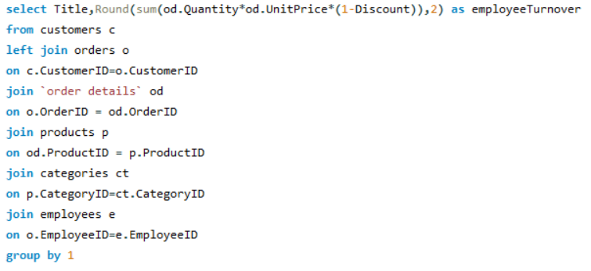
Department | Turnover
Sales Representative | 903600.72
Vice President, Sales | 166537.75
Inside Sales Coordinator | 126862.28
Sales Manager | 68792.28

eda8 graph
Employee turnover vary across different departments as we cansee through bar graph that Sales representative contributes highest i.e 903600.72 and Sales Manager contributes lowest i.e 68792.28

 | Turnover
Sales Representative | 903600.72
Vice President, Sales | 166537.75
Inside Sales Coordinator | 126862.28
Sales Manager | 68792.28

eda11
11. How does product demand fluctuate over different seasons or months? Can we visualize this through line charts or area charts?

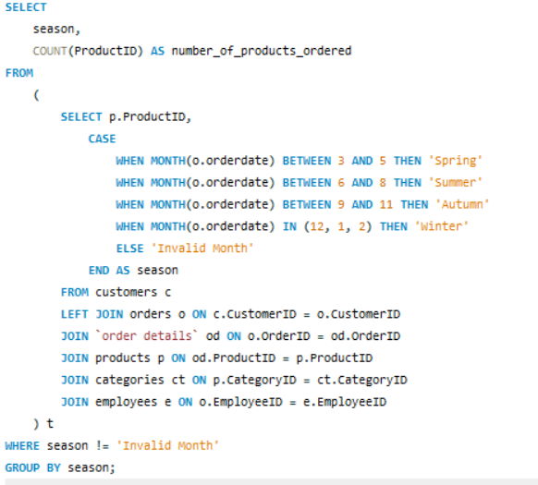
Season | No. of Product Order
Spring | 745
Winter | 575
Autumn | 478
Summer | 357

eda 11 graph
The analysis of product orders based on seasons reveals significant variations in demand throughout the year. The highest number of products were ordered during the Spring season, with a total of 745 orders, closely followed by Winter with 575 orders. Autumn and Summer also demonstrated substantial demand, with 478 and 357 product orders, Summer also demonstrated substantial demand, with 478 and 357 product orders, respectively. These findings underscore the seasonal fluctuations in consumer preferences, indicating the need for targeted marketing and inventory management strategies tailored to each season. Understanding these patterns can enable more effective resource allocation and product promotion to maximize sales and customer satisfaction across different seasons."

 | No. of Product Order
Spring | 745
Winter | 575
Autumn | 478
Summer | 357

eda 13
13. Are there any correlations between supplier attributes (e.g., location, size, industry) and performance metrics (e.g., on-time delivery, product quality)? Can we explore this visually through scatter plots or heatmaps?

we have taken the data for deliverytype,country count of order but we need for on time delivry so we have put filter on delivry time and select on time from it
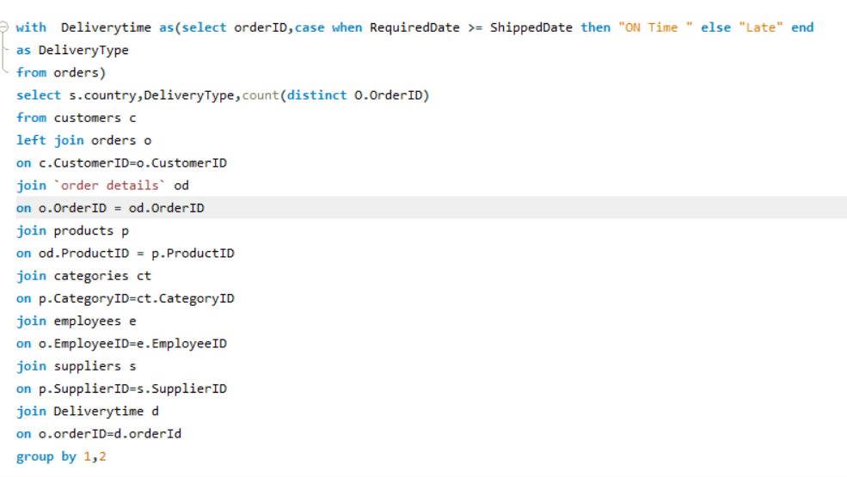
 | country | Delivery Type | count of orders
 | USA | ON Time | 226
 | Australia | ON Time | 221
 | Germany | ON Time | 218
 | UK | ON Time | 183
 | Italy | ON Time | 154
 | France | ON Time | 153
 | Canada | ON Time | 126
 | Japan | ON Time | 104
 | Norway | ON Time | 91
 | Sweden | ON Time | 77
 | Singapore | ON Time | 73
 | Finland | ON Time | 62
 | Spain | ON Time | 48
 | Brazil | ON Time | 47
 | Denmark | ON Time | 36
 | Netherlands | ON Time | 27

eda 13 graph
Here we have the scatter Plot for the on time delivery orders vs Supplier country . We can see they are closely co related to each other
on time order vs supplier country
 | count of orders
ON Time | 226
ON Time | 221
ON Time | 218
ON Time | 183
ON Time | 154
ON Time | 153
ON Time | 126
ON Time | 104
ON Time | 91
ON Time | 77
ON Time | 73
ON Time | 62
ON Time | 48
ON Time | 47
ON Time | 36
ON Time | 27

eda 14
14. How does supplier performance vary across different product categories or departments? Can we visualize this using stacked bar charts or grouped column charts?
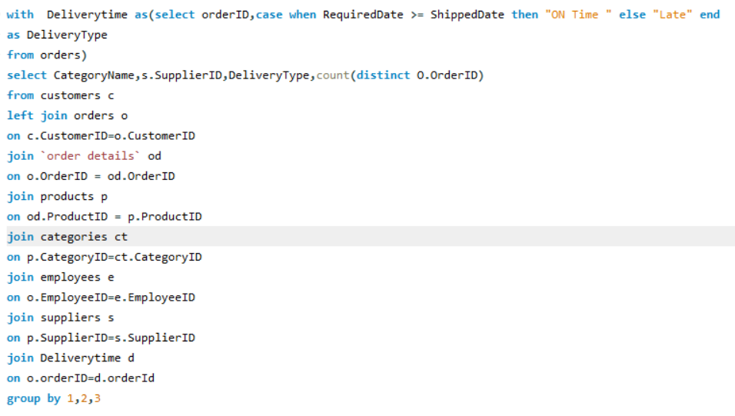
CategoryName | SupplierID | Delivery Type | Count of orders
Beverages | 1 | Late | 6
Beverages | 1 | ON Time | 74
Beverages | 7 | Late | 2
Beverages | 7 | ON Time | 37
Beverages | 10 | Late | 4
Beverages | 10 | ON Time | 47
Beverages | 12 | Late | 4
Beverages | 12 | ON Time | 42
Beverages | 16 | Late | 5
Beverages | 16 | ON Time | 59
Beverages | 18 | Late | 4
Beverages | 18 | ON Time | 49
Beverages | 20 | Late | 3
Beverages | 20 | ON Time | 25
Beverages | 23 | Late | 4
Beverages | 23 | ON Time | 35
Condiments | 1 | Late | 1
Condiments | 1 | ON Time | 11
Condiments | 2 | Late | 4
Condiments | 2 | ON Time | 63
Condiments | 3 | Late | 4
Condiments | 3 | ON Time | 20
Condiments | 6 | ON Time | 6
Condiments | 7 | Late | 1
Condiments | 7 | ON Time | 16
Condiments | 12 | Late | 4
Condiments | 12 | ON Time | 34
Condiments | 20 | ON Time | 24
Condiments | 29 | Late | 1
Condiments | 29 | ON Time | 23
Confections | 7 | Late | 5
Confections | 7 | ON Time | 38
Confections | 8 | Late | 10
Confections | 8 | ON Time | 113
Confections | 11 | Late | 1
Confections | 11 | ON Time | 56
Confections | 22 | ON Time | 27
Confections | 23 | Late | 3
Confections | 23 | ON Time | 28
Confections | 29 | Late | 2
Confections | 29 | ON Time | 46
Dairy Products | 5 | Late | 4
Dairy Products | 5 | ON Time | 48
Dairy Products | 14 | Late | 4
Dairy Products | 14 | ON Time | 92
Dairy Products | 15 | Late | 9
Dairy Products | 15 | ON Time | 91
Dairy Products | 28 | Late | 11
Dairy Products | 28 | ON Time | 93
Grains/Cereals | 9 | Late | 1
Grains/Cereals | 9 | ON Time | 33
Grains/Cereals | 12 | Late | 3
Grains/Cereals | 12 | ON Time | 27
Grains/Cereals | 20 | Late | 3
Grains/Cereals | 20 | ON Time | 27
Grains/Cereals | 24 | Late | 3
Grains/Cereals | 24 | ON Time | 26
Grains/Cereals | 26 | Late | 6
Grains/Cereals | 26 | ON Time | 66
Meat/Poultry | 4 | Late | 2
Meat/Poultry | 4 | ON Time | 3
Meat/Poultry | 7 | Late | 4
Meat/Poultry | 7 | ON Time | 33
Meat/Poultry | 12 | Late | 1
Meat/Poultry | 12 | ON Time | 31
Meat/Poultry | 24 | Late | 2
Meat/Poultry | 24 | ON Time | 28
Meat/Poultry | 25 | Late | 4
Meat/Poultry | 25 | ON Time | 65
Produce | 3 | Late | 2
Produce | 3 | ON Time | 27
Produce | 4 | ON Time | 13
Produce | 6 | Late | 3
Produce | 6 | ON Time | 19
Produce | 12 | Late | 5
Produce | 12 | ON Time | 28
Produce | 24 | Late | 3
Produce | 24 | ON Time | 36
Seafood | 4 | Late | 3
Seafood | 4 | ON Time | 30
Seafood | 6 | Late | 3
Seafood | 6 | ON Time | 37
Seafood | 7 | ON Time | 27
Seafood | 13 | Late | 2
Seafood | 13 | ON Time | 30
Seafood | 17 | Late | 4
Seafood | 17 | ON Time | 46
Seafood | 19 | Late | 7
Seafood | 19 | ON Time | 80
Seafood | 21 | Late | 4
Seafood | 21 | ON Time | 36
Seafood | 27 | ON Time | 18

eda 14 graph
 | Here we have measured supplier performance based on time delivery to our customers . For product category wise analysis we have putten a slicer of category name that will analyse the supplier of that product category and their performace accoridng to the on time delivery and late delivery done by them.

 | Late | ON Time
1 | 7 | 85
2 | 4 | 63
3 | 6 | 47
4 | 5 | 46
5 | 4 | 48
6 | 6 | 62
7 | 12 | 151
8 | 10 | 113
9 | 1 | 33
10 | 4 | 47
11 | 1 | 56
12 | 17 | 162
13 | 2 | 30
14 | 4 | 92
15 | 9 | 91
16 | 5 | 59
17 | 4 | 46
18 | 4 | 49
19 | 7 | 80
20 | 6 | 76
21 | 4 | 36
22 |  | 27
23 | 7 | 63
24 | 8 | 90
25 | 4 | 65
26 | 6 | 66
27 |  | 18
28 | 11 | 93
29 | 3 | 69
Sum of Count of orders | Column Labels
Row Labels | Late | ON Time
1 | 7 | 85
2 | 4 | 63
3 | 6 | 47
4 | 5 | 46
5 | 4 | 48
6 | 6 | 62
7 | 12 | 151
8 | 10 | 113
9 | 1 | 33
10 | 4 | 47
11 | 1 | 56
12 | 17 | 162
13 | 2 | 30
14 | 4 | 92
15 | 9 | 91
16 | 5 | 59
17 | 4 | 46
18 | 4 | 49
19 | 7 | 80
20 | 6 | 76
21 | 4 | 36
22 |  | 27
23 | 7 | 63
24 | 8 | 90
25 | 4 | 65
26 | 6 | 66
27 |  | 18
28 | 11 | 93
29 | 3 | 69

eda 15
15. Can we identify any trends or patterns in supplier costs or pricing structures through visualizations? How can this information be used for procurement optimization?

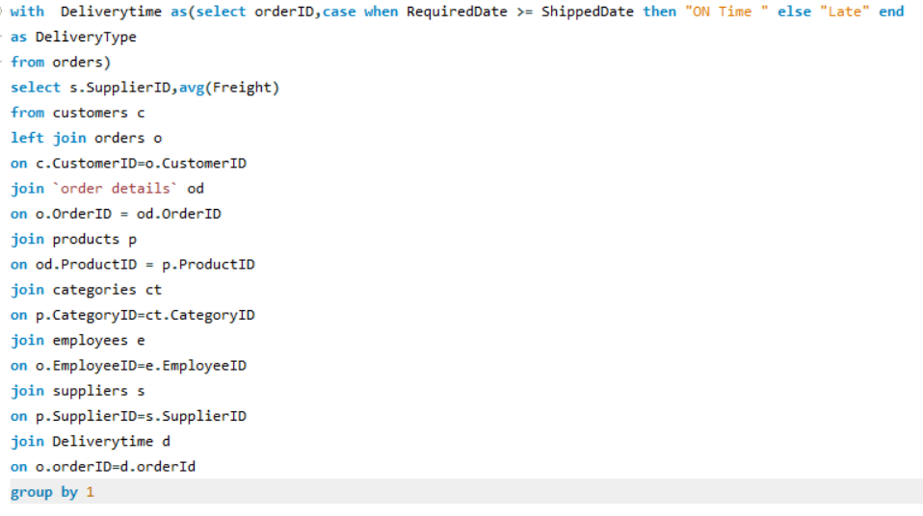
SupplierID | Average Shipping Freight
1 | 111.13
2 | 86.88
3 | 111.78
4 | 80.14
5 | 100.18
6 | 70.89
7 | 86.30
8 | 95.85
9 | 83.07
10 | 61.83
11 | 104.68
12 | 111.39
13 | 91.91
14 | 90.38
15 | 75.25
16 | 82.75
17 | 104.71
18 | 183.29
19 | 72.07
20 | 98.75
21 | 96.21
22 | 65.20
23 | 88.80
24 | 83.81
25 | 64.01
26 | 111.94
27 | 53.43
28 | 149.09
29 | 107.69

eda 15 graph
 | Here we have shown Average shipping freight bear by each supplier
 | Procurement Optimization:
 | Negotiation Strategies: Armed with a clear understanding of supplier pricing structures, negotiate better deals with suppliers, leveraging the identified trends and patterns.
 | Supplier Diversification: Identify suppliers with stable pricing patterns, which can be crucial for long-term procurement planning. Conversely, be cautious of suppliers with highly volatile pricing.
 | Demand Forecasting: Use historical pricing data to improve demand forecasting. Understanding how supplier costs fluctuate can help optimize inventory levels and reduce carrying costs.
 | Cost Reduction: Pinpoint cost outliers and work with suppliers to understand the reasons behind these anomalies. Addressing these issues can lead to cost reduction opportunities.
Row Labels | Sum of Average Shipping Freight
1 | 111.13
2 | 86.88
3 | 111.78
4 | 80.14
5 | 100.18
6 | 70.89
7 | 86.30
8 | 95.85
9 | 83.07
10 | 61.83
11 | 104.68
12 | 111.39
13 | 91.91
14 | 90.38
15 | 75.25
16 | 82.75
17 | 104.71
18 | 183.29
19 | 72.07
20 | 98.75
21 | 96.21
22 | 65.20
23 | 88.80
24 | 83.81
25 | 64.01
26 | 111.94
27 | 53.43
28 | 149.09
29 | 107.69
Grand Total | 2723.39

